Graph
Date | Treatment | Total Fine | Total Heavy | Total Litter/Duff | Grand Total
2004-08-12 | PreBurn | 6.356 | 1.077 | 8.346 | 15.779
2005-07-19 | Burn + 1 | 4.35 | 0.322 | 2.042 | 6.714
2009-12-01 | Burn + 4 | 5.114 | 0.54 | 7.546 | 13.201
2010-08-02 | 2010 PostBurn | 2.375 | 1.007 | 4.22 | 7.602

Memorable North Fuel Loading

plot Locations
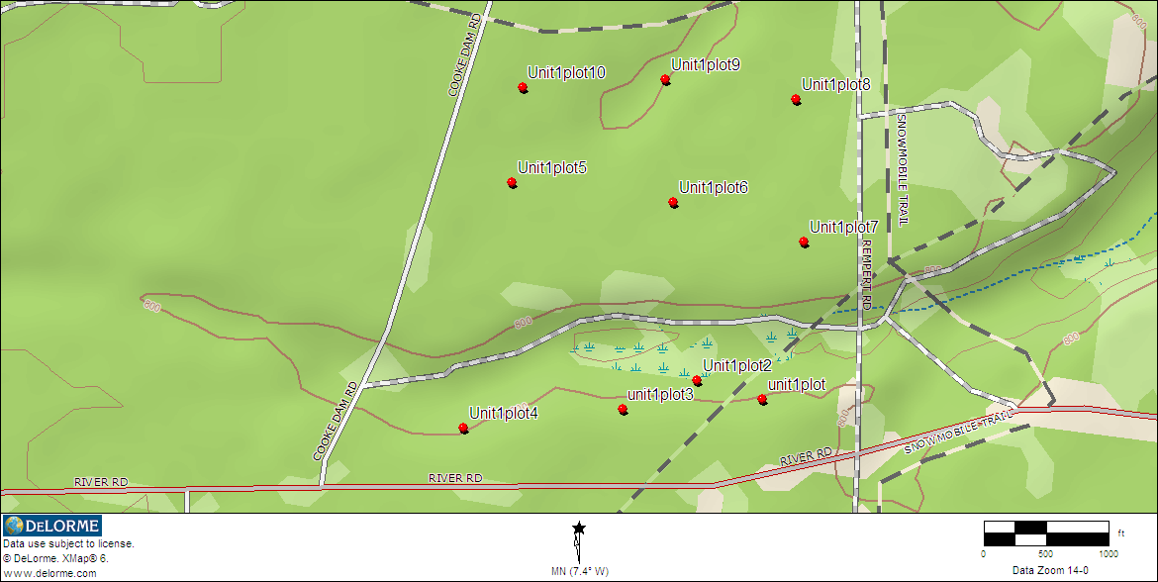
Rx Unit | Plot # | Lat | Long | Datum
Memorable North | 1 | N44° 26' 22.098" | W83° 35' 37.671" | wgs84
Memorable North | 2 | N44° 26' 23.523" | W83° 35' 18.659"
Memorable North | 3 | N44° 26' 21.298" | W83° 35' 26.801"
Memorable North | 4 | N44° 26' 19.805" | W83° 35' 44.160"
Memorable North | 5 | N44° 26' 39.000" | W83° 35' 38.896"
Memorable North | 6 | N44° 26' 37.418" | W83° 35' 21.223"
Memorable North | 7 | N44° 26' 34.328" | W83° 35' 6.942"
Memorable North | 8 | N44° 26' 45.450" | W83° 35' 7.808"
Memorable North | 9 | N44° 26' 46.996" | W83° 35' 22.090"
Memorable North | 10 | N44° 26' 46.378" | W83° 35' 37.671"

